Sheet 1
Marc O'Polo Men Casual W26(1) CE08-MA08-MA09 - Bulk Production |  |  |  |  |  |  |  |  |  |  |  |  |  |  |  |  |  |  |  |  |  |  |  |  |  |  |  |  |  |  |  |  |  |  |  | 2026-04-24
S.No | Buyer | Factory | Customer Season | Style No | Image | Style Description | Fabric Quality | Treatment | Buyer Po No | Color | Quantity |  | Original order received Dt | Etd Ex factory as per P.O | Factory Confirmed Dt | Trims Inhouse |  | Fabric Inhouse |  | PPS Submission |  |  | Cut Qty | Sewing Start |  | Sewing End |  | Sewing Qty | Inspection |  | Ex Factory Shipment |  |  | Shipped Qty | Balance Qty | Remarks
 |  |  |  |  |  |  |  |  |  |  | Col | Qty |  |  |  | Planned | Actual | Planned | Actual | Planned | Actual | PPS Approved |  | Planned | Actual | Planned | Actual |  | Planned | Actual | Planned | Actual | Extended
1 | MARC O'POLO INTERNATIONAL GMBH | WARSAW INTERNATIONAL | CE08 | CMJE FW26 07 1000001232 5000015326 | 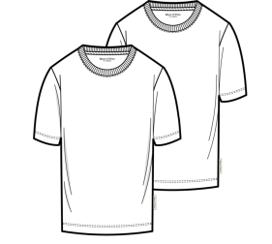 | CIRCULAR KNIT MENS TSHIRT | SINGLE JERSEY/96% ORGANIC COTTON 4% ELASTHANE/40S/20D///28GG/160//FABRIC DYED + PANEL WASHED | FABRIC DYE + PANEL WASH | 7000018275, | 0001-BLACK | 1344 | 4029 | 25-DEC-2025 | 30-APR-2026 | 07-APR-2026 | 2026-01-29 | 2026-01-24 | 2026-01-27 | 2026-01-20 | 01-MAR-2026 |  | 2026-12-25 | 1344 | 2026-02-18 | 2026-02-16 | 2026-03-04 | 2026-03-04 | 1344 | 2026-03-30 | 2026-04-02 | 30-APR-2026 | 2026-04-09 |  | 1425 | 81 | Shipped
 |  |  |  |  |  |  |  |  |  | 1183 SILKY WHITE | 1341 |  |  |  |  |  |  |  | 2026-01-31 |  |  |  | 1341 |  |  |  |  | 1341 |  |  |  |  |  | 1342 | 1
 |  |  |  |  |  |  |  |  |  | 4131 DARK NAVY | 1344 |  |  |  |  |  |  |  | 2026-01-20 |  |  |  | 1344 |  |  |  |  | 1344 |  |  |  |  |  | 1395 | 51
2 | MARC O'POLO INTERNATIONAL GMBH | WARSAW INTERNATIONAL | CE08 | CMJE FW26 07 1000001232 5000015344 | 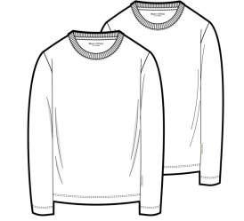 | CIRCULAR KNIT MENS TSHIRT | SINGLE JERSEY/96% ORGANIC COTTON 4% ELASTHANE/40S/20D///28GG/160//FABRIC DYED + PANEL WASHED | FABRIC DYE + PANEL WASH | 7000018278, | 0001-BLACK | 660 | 1925 | 25-DEC-2025 | 30-APR-2026 | 07-APR-2026 | 2026-01-29 | 2026-01-24 | 2026-01-27 | 2026-01-20 | 01-MAR-2026 |  | 2026-12-25 | 660 | 2026-03-23 | 2026-02-28 | 2026-03-13 | 2026-03-07 | 660 | 2026-04-10 | 2026-04-07 | 30-APR-2026 | 2026-04-09 |  | 700 | 40 | 1813 PCS SHIPPED BALANCE SHORTGE QUANTITY UNDER REMAKING UNDER FABRIC PROCESS WILL BE INHOUSED BY 30.04 FI PLANNED BY 15.05, WE HAVE REQUESTED TO SEND BY DAP AIR BY 25.05.2025
 |  |  |  |  |  |  |  |  |  | 1183-SILKY WHITE | 608 |  |  |  |  |  |  |  | 2026-01-31 |  |  |  | 608 |  |  |  |  | 608 |  |  |  |  |  | 417 | -191
 |  |  |  |  |  |  |  |  |  | 4131 - DARK NAVY | 657 |  |  |  |  |  |  |  | 2026-01-20 |  |  |  | 657 |  |  |  |  | 657 |  |  |  |  |  | 696 | 39
3 | MARC O'POLO INTERNATIONAL GMBH | WARSAW INTERNATIONAL | MA08 | CMJE FW26 08 1000001241 5000013565 | 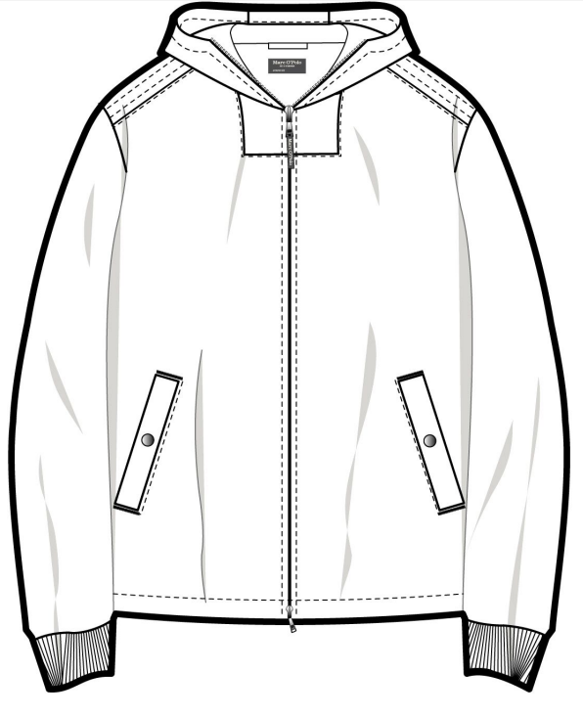 | CIRCULAR KNIT MENS ZIPPER HOODED SWEAT JACKET | SCUBA INTERLOCK/75%ORGANIC COTTON 20%RECYCLE POLYESTER 5%ELASTHANE/40S/75D////350/30D/FABRIC DYED | FABRIC DYED | 7000020130, 7000020134, 7000020253, 7000020257, 7000020262 | 4175-PEPPERCORN GREY | 1632 | 1632 | 18-FEB-2026 | 21-MAY-2026 | 05-MAY-2026 | 2026-04-15 | 2026-04-20 | 2026-03-23 | 2026-03-23 | 07-APR-2026 | 19-FEB-2026 | 2026-02-18 |  | 2026-04-27 |  | 2026-05-07 |  |  | 2026-05-12 |  | 21-MAY-2026 |  |  |  | -1632 | BULK UNDER CUTTING
4 | MARC O'POLO INTERNATIONAL GMBH | WARSAW INTERNATIONAL | MA08 | CMJE FW26 08 1000001241 5000012892 | 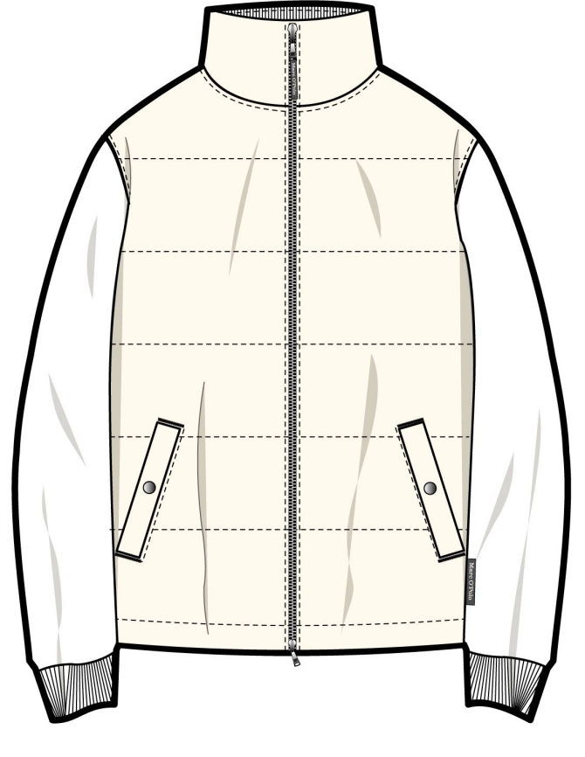 | CIRCULAR KNIT MENS ZIPPER SWEAT JACKET | SCUBA INTERLOCK/75%ORGANIC COTTON 20%RECYCLE POLYESTER 5%ELASTHANE/40S/75D////350/30D/FABRIC DYED | FABRIC DYED | 7000020106, 7000020110, 7000020217, 7000020223, 7000020229 | 4175-PEPPERCORN GREY | 2127 | 2127 | 19-FEB-2026 | 21-MAY-2026 | 05-MAY-2026 | 2026-04-15 | 2026-04-20 | 23-03-2026 - 15-04-2026/ 1000 PCS BODY FABRIC UNDER TRANSIT WILL BE INHOUSED 10/05 | part qty inhoused 23/3 | 08-APR-2026 | 19-FEB-2026 | 2026-02-18 |  | 2026-04-27 |  | 2026-05-06 |  |  | 2026-05-12 |  | 21-MAY-2026 |  |  |  | -2127 | PART QTY FABRIC INHOUSED AND TRIMS INHOUSED BALANCE FABRIC UNDER PROCESS WILL BE RADY BY 08/04, WILL BE INHOUSED 08.05, BULK FABRIC UNDER INSPECTION
5 | MARC O'POLO INTERNATIONAL GMBH | WARSAW INTERNATIONAL | MA08 | CMJE FW26 08 1000002516 5000011625 | 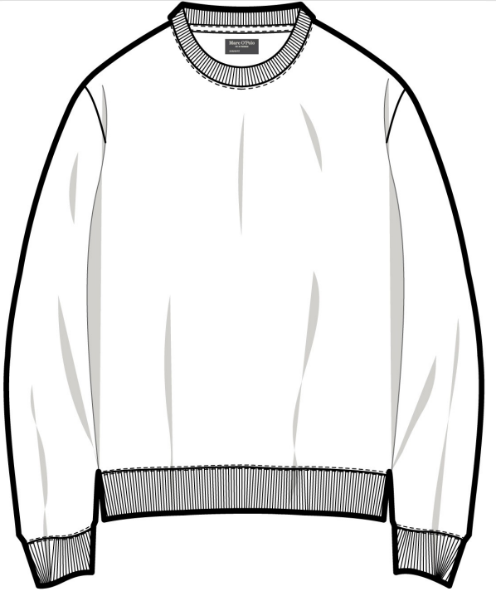 | CIRCULAR KNIT MENS SWEAT SHIRT | DIAGONAL FRENCH TERRY/100% RECYCLED COTTON/34S/34S/2/24S/UNDEFINED/20GG/325//FABRIC DYED | FABRIC DYE + PANEL WASH | 7000020074, 7000020081, 7000020180, 7000020182 | 4175-PEPPERCORN GREY | 678 | 909 | 18-FEB-2026 | 12-MAY-2026 | 22-APR-2026 | 2026-04-10 | 2026-04-10 | 2026-03-31 | 2026-03-31 | 03-APR-2026 | 19-FEB-2026 | 2026-02-18 | 761 | 2026-04-17 | 2026-04-17 | 2026-04-20 |  |  | 2026-04-23 |  | 12-MAY-2026 |  |  |  | -678 | BULK UNDER SEWING
 |  |  |  |  |  |  |  |  |  | 6931-DARK BURGUNDY | 231 |  |  |  |  |  |  |  |  |  |  |  | 283 |  |  |  |  | 241 |  |  |  |  |  |  | -231
6 | MARC O'POLO INTERNATIONAL GMBH | BVK EXPORTS INDIA PRIVATE LIMITED | MA08 | CMJE FW26 08 1000001208 5000011972 | 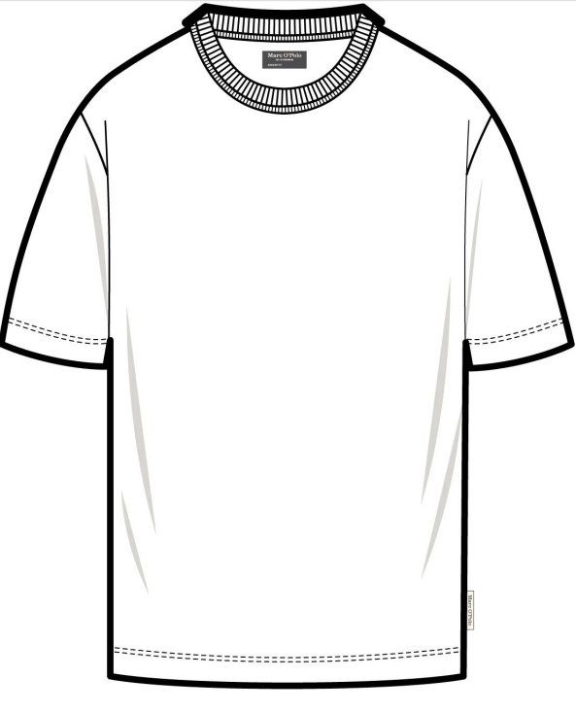 | CIRCULAR KNIT MENS TSHIRT | SINGLE JERSEY/100% ORGANIC COTTON/2/30S////12GG/180//FABRIC DYED | FABRIC DYE + PANEL WASH | 7000020085, 7000020184, 7000020190, 7000020200, 7000020203 | 0388-GRAPHITE DUST | 1134 | 6290 | 19-FEB-2026 | 12-MAY-2026 | 22-APR-2026 | 2026-04-05 | 2026-04-05 | 2026-04-06 | 2026-04-01 | 2026-02-27 |  | 2026-02-27 | 1265 | 2026-04-18 | 2026-04-18 | 2026-04-28 |  |  | 2026-05-06 |  | 12-MAY-2026 |  |  |  | -1134 | BULK UNDER SEWING
 |  |  |  |  |  |  |  |  |  | 0619-BLACK PEPPER | 840 |  |  |  |  |  |  |  | 2026-04-06 |  |  |  | 920 |  |  |  |  |  |  |  |  |  |  |  | -840
 |  |  |  |  |  |  |  |  |  | 1183-SILKY WHITE | 1025 |  |  |  |  |  |  |  | 2026-04-04 |  |  |  | 1135 |  |  |  |  |  |  |  |  |  |  |  | -1025
 |  |  |  |  |  |  |  |  |  | 4175-PEPPERCORN GREY | 1854 |  |  |  |  |  |  |  | 2026-03-30 |  |  |  | 2150 |  |  |  |  |  |  |  |  |  |  |  | -1854
 |  |  |  |  |  |  |  |  |  | 6169-LIGHT MAUVE | 1093 |  |  |  |  |  |  |  | 2026-03-31 |  |  |  | 1250 |  |  |  |  |  |  |  |  |  |  |  | -1093
 |  |  |  |  |  |  |  |  |  | 0001 BLACK | 344 |  |  |  |  |  |  |  | 2026-03-29 |  |  |  | 375 |  |  |  |  |  |  |  |  |  |  |  | -344
7 | MARC O'POLO INTERNATIONAL GMBH | BVK EXPORTS INDIA PRIVATE LIMITED | MA09 | CMJE FW26 09 1000001208 5000012898 | 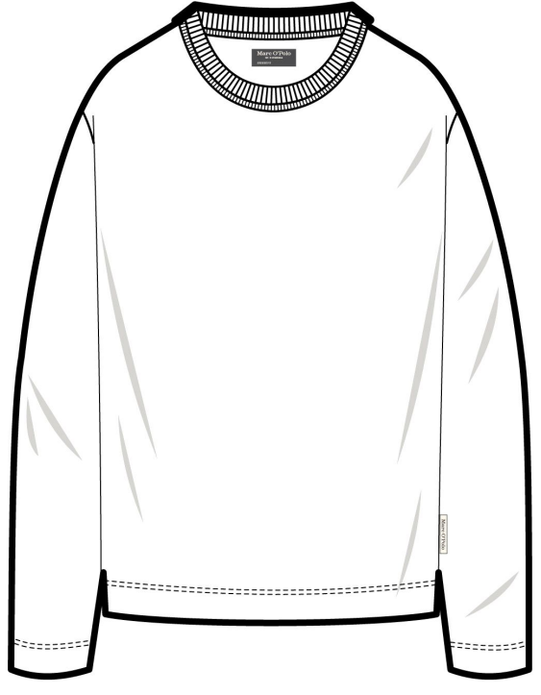 | CIRCULAR KNIT MENS TSHIRT | SINGLE JERSEY/100% ORGANIC COTTON/2/30S////12GG/180//FABRIC DYED | FABRIC DYE + PANEL WASH | 7000020114, 7000020127, 7000020231, 7000020243, 7000020251 | 0001 BLACK | 1250 | 4586 | 19-FEB-2026 | 11-JUN-2026 | 26-MAY-2026 | 2026-03-30 | 2026-03-30 | 2026-04-22 |  | 19-APR-2026 |  | 2026-02-18 |  | 2026-04-26 |  | 2026-05-15 |  |  | 2026-05-20 |  | 11-JUN-2026 |  |  |  | -1250 | BULK UNDER FABRIC PROCESS, TRIMS INHOUSED
 |  |  |  |  |  |  |  |  |  | 0013-WOODEN EARTH | 1305 |  |  |  |  |  |  | 2026-04-22 |  |  |  |  |  |  |  |  |  |  |  |  |  |  |  |  | -1305
 |  |  |  |  |  |  |  |  |  | 0381-SKIPPING STONE | 642 |  |  |  |  |  |  | 2026-04-22 |  |  |  |  |  |  |  |  |  |  |  |  |  |  |  |  | -642
 |  |  |  |  |  |  |  |  |  | 0471-DARK GREY MELANGE | 1007 |  |  |  |  |  |  | 2026-04-29 |  |  |  |  |  |  |  |  |  |  |  |  |  |  |  |  | -1007
 |  |  |  |  |  |  |  |  |  | 3727-FADED MINT | 382 |  |  |  |  |  |  | 2026-04-23 |  |  |  |  |  |  |  |  |  |  |  |  |  |  |  |  | -382
8 | MARC O'POLO INTERNATIONAL GMBH | BVK EXPORTS INDIA PRIVATE LIMITED | MA09 | CMJE FW26 09 1000001208 5000014725 | 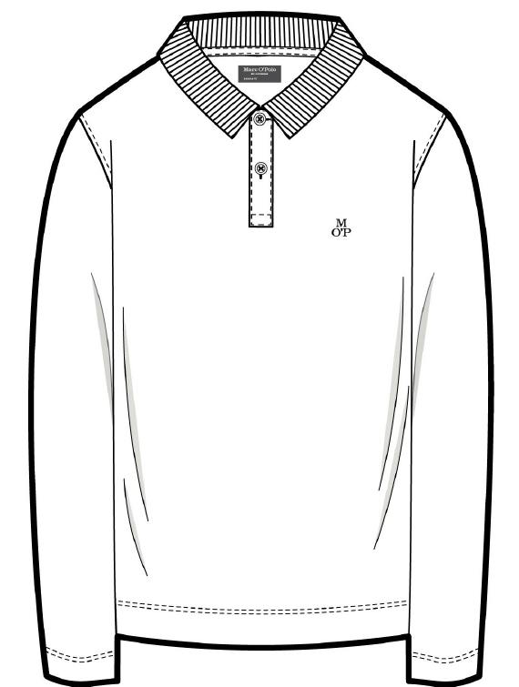 | CIRCULAR KNIT MENS POLO SHIRT SHORT SLEEVE | SINGLE JERSEY/100% ORGANIC COTTON/2/30S////12GG/180//FABRIC DYED | FABRIC DYE + PANEL WASH | 7000020145, 7000020155, 7000020269, 7000020279 | 0001 BLACK | 2701 | 7387 | 19-FEB-2026 | 11-JUN-2026 | 26-MAY-2026 | 2026-03-30 | 2026-03-30 | 2026-04-22 |  | 19-APR-2026 |  | 2026-02-18 |  | 2026-04-26 |  | 2026-05-15 |  |  | 2026-05-20 |  | 11-JUN-2026 |  |  |  | -2701 | BULK UNDER FABRIC PROCESS, TRIMS INHOUSED
 |  |  |  |  |  |  |  |  |  | 0013-WOODEN EARTH | 755 |  |  |  |  |  |  | 2026-04-22 |  |  |  |  |  |  |  |  |  |  |  |  |  |  |  |  | -755
 |  |  |  |  |  |  |  |  |  | 0381-SKIPPING STONE | 748 |  |  |  |  |  |  | 2026-04-22 |  |  |  |  |  |  |  |  |  |  |  |  |  |  |  |  | -748
 |  |  |  |  |  |  |  |  |  | 0471-DARK GREY MELANGE | 2681 |  |  |  |  |  |  | 2026-04-29 |  |  |  |  |  |  |  |  |  |  |  |  |  |  |  |  | -2681
 |  |  |  |  |  |  |  |  |  | 3727-FADED MINT | 502 |  |  |  |  |  |  | 2026-04-23 |  |  |  |  |  |  |  |  |  |  |  |  |  |  |  |  | -502
9 | MARC O'POLO INTERNATIONAL GMBH | BVK EXPORTS INDIA PRIVATE LIMITED | MA09 | CMJE FW26 09 1000002040 5000014715 | 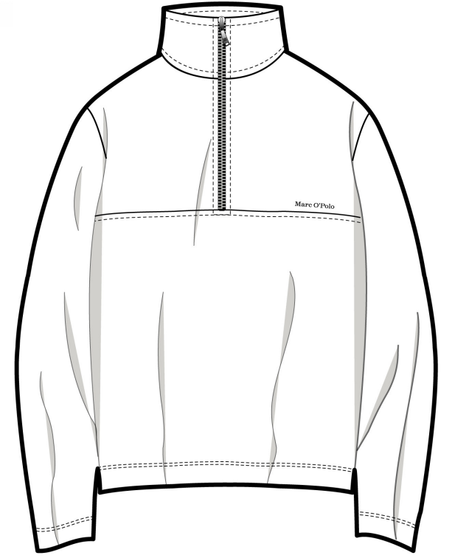 | CIRCULAR KNIT MENS SWEAT SHIRT TROYER | FRENCH TERRY/100% ORGANIC COTTON/40S/2/10S///12GG/340//FABRIC DYED + BRUSHED | FABRIC DYE + PANEL WASH | 7000020136, 7000020142, 7000020264, 7000020267 | 0013-WOODEN EARTH | 557 | 843 | 19-FEB-2026 | 11-JUN-2026 | 26-MAY-2026 | 30/3 ZIPPER 14/4 | 2026-04-14 | 2026-04-27 |  | 19-APR-2026 |  | 2026-02-18 |  | 2026-05-12 |  | 2026-05-22 |  |  | 2026-05-26 |  | 11-JUN-2026 |  |  |  | -557 | BULK UNDER TRIMS AND FABRIC PROCESS
 |  |  |  |  |  |  |  |  |  | 0381-SKIPPING STONE | 286 |  |  |  |  |  |  | 2026-04-27 |  |  |  |  |  |  |  |  |  |  |  |  |  |  |  |  | -286
10 | MARC O'POLO INTERNATIONAL GMBH | BVK EXPORTS INDIA PRIVATE LIMITED | MA09 | CMJE FW26 09 1000002040 5000012618 | 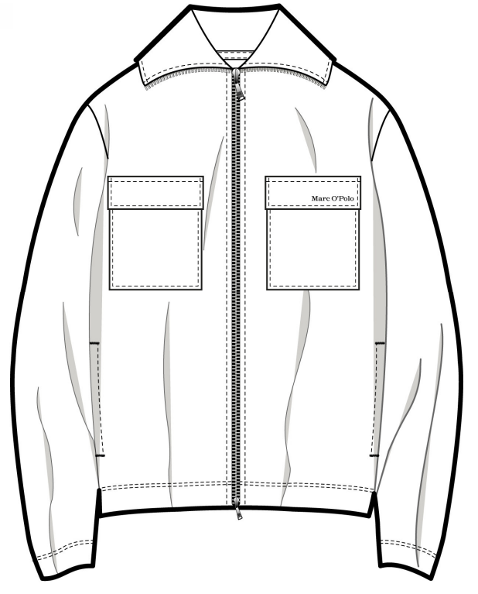 | CIRCULAR KNIT MENS SWEAT JACKET | FRENCH TERRY/100% ORGANIC COTTON/40S/2/10S///12GG/340//FABRIC DYED + BRUSHED | FABRIC DYE + PANEL WASH | 7000020099, 7000020208, 7000020216 | 0013-WOODEN EARTH | 252 | 450 | 19-FEB-2026 | 11-JUN-2026 | 26-MAY-2026 | 30/3 ZIPPER 14/4 | 2026-04-14 | 2026-04-27 |  | 19-APR-2026 |  | 2026-02-20 |  | 2026-05-07 |  | 2026-05-12 |  |  | 2026-05-16 |  | 11-JUN-2026 |  |  |  | -252 | BULK UNDER TRIMS AND FABRIC PROCESS
 |  |  |  |  |  |  |  |  |  | 0381-SKIPPING STONE | 198 |  |  |  |  |  |  | 2026-04-27 |  |  |  |  |  |  |  |  |  |  |  |  |  |  |  |  | -198
Grand Total |  |  |  |  |  |  |  |  |  |  | 30178 | 30178 |  |  |  |  |  |  |  |  |  |  | 0 |  |  |  |  | 0 |  |  |  |  |  | 0 | -24203

